Sheet2
 |  |  | Subscribe DECODE BD for more upcoming important Tutorials & Excel Sheets

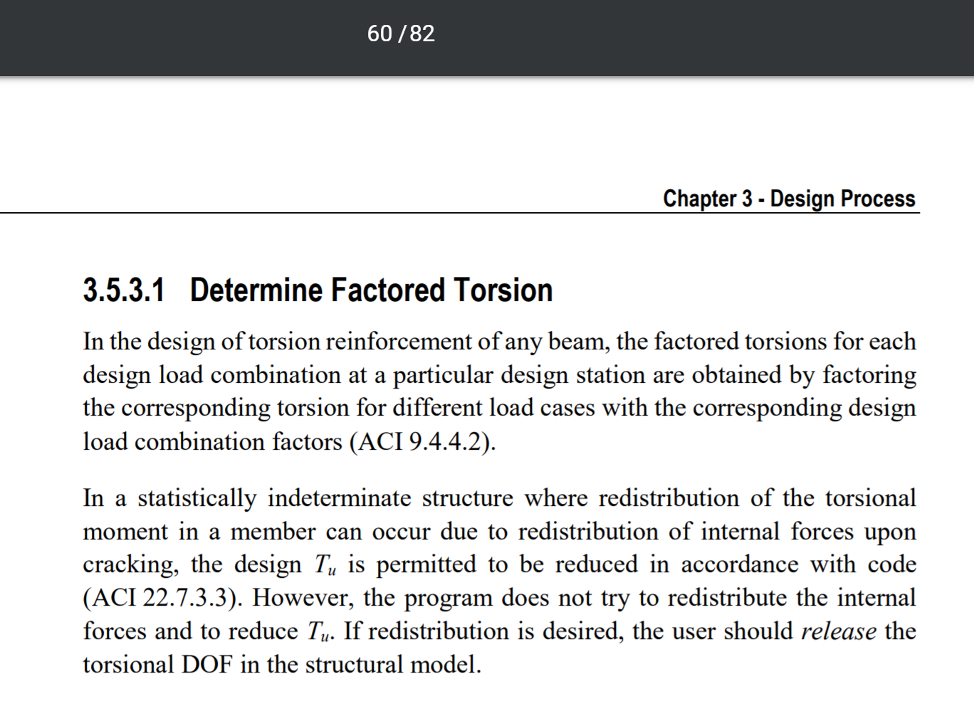
0.76 |  |  |  | 0.79 | 0.79 | 0.5 |  |  | 0.5 | 0.5 | 0.5 |  |  |  | 0.5 |  |  | 14
0.32 |  | 0.28 |  | 0.34 |  | 1.25 | 1.2 |  | 1.4 |  | 0.28 |  | 0.18 |  | 0.27 |  | http://docs.csiamerica.com/manuals/etabs/Concrete%20Frame%20Design/CFD-ACI-318-14.pdf | 16
 |  | 0.34 |  |  |  |  | 1.4 |  |  |  |  |  | 0.28 |  |  |  |  | 18
 |  |  |  |  |  |  |  |  |  |  |  |  |  |  |  |  |  | 20
0.62 |  |  |  |  | 0.62 |  |  |  |  | 0.62 |  |  |  |  | 0.62 |  |  | 22
2- | Y16 |  |  |  | 2- | Y16 |  |  |  | 2- | Y16 |  |  | 2- | Y16 |  |  | 25
Extra 1- | Y16 |  |  |  | Extra 1- | Y16 |  |  |  | 0 | Y16 |  |  | 0 | Y16 |  |  | 28
 |  |  |  |  |  |  |  |  |  |  |  |  |  |  |  |  |  | 30

 |  | 0.62 |  |  |  |  | 0.62 |  |  |  |  | 0.62
 |  | 2- | Y16 |  |  |  | 2- | Y16 |  |  |  | 2- | Y16
 |  | 0 | Y16 |  |  |  | Extra 3- | Y16 |  |  |  | 0 | Y16

 |  |  |  |  |  |  |  |  |  |  |  |  |  |  |  | As "Tcr" and "Tu" given therein are indeed threshold torsional strength and ultimate torsional stresses respectively, and are both design properties not analysis properties. (See ACI 318-11 section 11.5.1).

 |  |  |  |  |  |  |  |  |  |  |  |  |  |  |  | Whereas the torsional constant, ETABS asks in "analysis property modification factors" is simply the torsional moment of inertia (J) used to determine torsional stiffness of a member (JG/L) i.e something else.

 |  |  |  |  |  |  |  |  |  |  |  |  |  |  |  | As long as its value is concerned,then in building structures it is a general practice to use a negligible value like .001 to nullify beam's torsional stiffness.In this way, the torsional stresses (if arising due to compatibility of deformation i.e compatibility torsion ) are transferred via alternate load path (i.e redistribution of torsional moments occurred), considering that beam is unable to provide torsional restraint and in other condition if torsional stresses in beam is required to satisfy equilibrium of structure (where redistribution is not possible) then torsional stresses in beams remains independent of whatever value of "J" you have selected as equilibrium equations are necessarily satisfied independent of stiffness as "Compatibility is optional and equilibrium is essential".

 |  |  |  |  |  |  |  |  |  |  |  |  |  |  |  | This approach of minimization of "J" economize beam sizes that arise from stringent combined shear and torsion requirement of building codes,but consequently beam sections designed in this way will start developing internal horizontal cracks (hairline cracks not affecting functionality of structure) due to torsional stresses and their torsional strength will continuously degrade till the design condition is achieved i.e negligible torsional strength of beam.But as the structure is designed to be stable without torsional stiffness of beam so it remain stable after this condition is achieved.However, the beam member itself cracks that doesn't affect the functionality of structure in any way.
 |  |  |  |  |  |  |  |  |  |  |  |  |  |  |  | A very descriptive and clarifying description is available in "Reinforced concrete design by Arthur Nilson".
 |  |  |  |  |  |  |  |  |  |  |  |  |  |  |  | As long as authentication of this approach is concerned then it is allowed by building codes as,
 |  |  |  |  |  |  |  |  |  |  |  |  |  |  |  | 1, ACI-318-11 section 11.5.2.1 & 11.5.2.2.
 |  |  |  |  |  |  |  |  |  |  |  |  |  |  |  | 2, UBC97 section 1911.6.2.1 & 1911.6.2.2
 |  |  |  |  |  |  |  |  |  |  |  |  |  |  |  | 3, BS 8110-1 1997 section 3.4.5.13
 |  |  |  |  |  |  |  |  |  |  |  |  |  |  |  | Keeping in view above mentioned, it is a general practice to nullify torsional constant of beams in building structures and it is not required to use any iterative process to derive torsional constant of each beam section that is indeed not practical as there will be thousands of beam span in large structures.

